Sheet1
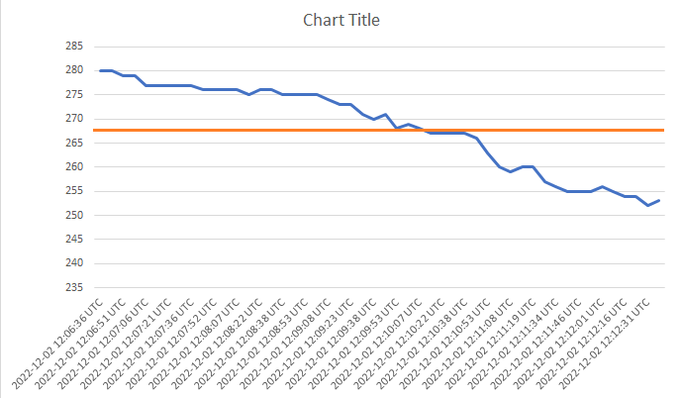
PPM Value
created_at | value | value after *2
2022-12-02 12:06:36 UTC | 280 | 78,400
2022-12-02 12:06:43 UTC | 280 | 78,400
2022-12-02 12:06:51 UTC | 279 | 77,841
2022-12-02 12:06:58 UTC | 279 | 77,841
2022-12-02 12:07:06 UTC | 277 | 76,729
2022-12-02 12:07:14 UTC | 277 | 76,729
2022-12-02 12:07:21 UTC | 277 | 76,729
2022-12-02 12:07:29 UTC | 277 | 76,729
2022-12-02 12:07:36 UTC | 277 | 76,729
2022-12-02 12:07:44 UTC | 276 | 76,176
RMS = 268.18
2022-12-02 12:07:52 UTC | 276 | 76,176
2022-12-02 12:07:59 UTC | 276 | 76,176
2022-12-02 12:08:07 UTC | 276 | 76,176
2022-12-02 12:08:15 UTC | 275 | 75,625
2022-12-02 12:08:22 UTC | 276 | 76,176
2022-12-02 12:08:30 UTC | 276 | 76,176
2022-12-02 12:08:38 UTC | 275 | 75,625
2022-12-02 12:08:45 UTC | 275 | 75,625
2022-12-02 12:08:53 UTC | 275 | 75,625
2022-12-02 12:09:00 UTC | 275 | 75,625
2022-12-02 12:09:08 UTC | 274 | 75,076
2022-12-02 12:09:15 UTC | 273 | 74,529
2022-12-02 12:09:23 UTC | 273 | 74,529
2022-12-02 12:09:30 UTC | 271 | 73,441
2022-12-02 12:09:38 UTC | 270 | 72,900
2022-12-02 12:09:45 UTC | 271 | 73,441
2022-12-02 12:09:53 UTC | 268 | 71,824
2022-12-02 12:10:00 UTC | 269 | 72,361
2022-12-02 12:10:07 UTC | 268 | 71,824
2022-12-02 12:10:15 UTC | 267 | 71,289
2022-12-02 12:10:22 UTC | 267 | 71,289
2022-12-02 12:10:30 UTC | 267 | 71,289
2022-12-02 12:10:38 UTC | 267 | 71,289
2022-12-02 12:10:45 UTC | 266 | 70,756
2022-12-02 12:10:53 UTC | 263 | 69,169
2022-12-02 12:11:01 UTC | 260 | 67,600
2022-12-02 12:11:08 UTC | 259 | 67,081
2022-12-02 12:11:16 UTC | 260 | 67,600
2022-12-02 12:11:19 UTC | 260 | 67,600
2022-12-02 12:11:27 UTC | 257 | 66,049
2022-12-02 12:11:34 UTC | 256 | 65,536
2022-12-02 12:11:42 UTC | 255 | 65,025
2022-12-02 12:11:46 UTC | 255 | 65,025
2022-12-02 12:11:53 UTC | 255 | 65,025
2022-12-02 12:12:01 UTC | 256 | 65,536
2022-12-02 12:12:08 UTC | 255 | 65,025
2022-12-02 12:12:16 UTC | 254 | 64,516
2022-12-02 12:12:23 UTC | 254 | 64,516
2022-12-02 12:12:31 UTC | 252 | 64,516
2022-12-02 12:12:34 UTC | 253 | 64,516
SUM | 13409 | 3,601,480
AVERAGE | 268.18 | 71,920.51
Root Means Square | 16.38 | 268.18

